Sheet1
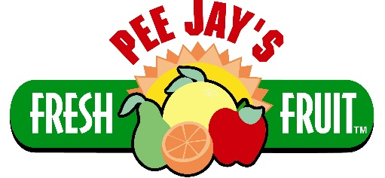
 |  |  |  |  | 3 Easy Ways To Place Your Order:
Meat Stick & Jerky |  |  |  |  | Call: (800) 847-6141
2017-18 Order Form |  |  |  |  | Email: CustomerCare@PeeJays.org
 |  |  |  |  | Fax: (856) 241-2454
Date:
Group: |  |  |  | Ordered By:
Address:
City: |  |  | State: |  | Zip:

Minimum Order = 1 Case ● 1 Case = 144 Units ● You can mix and match ● $5 Shipping Charge for orders under $150.00
* Meat Sticks are bagged 24 units per flavor. (1 case cost = $122.40 ● Your Profit = $93.60)
 | Item # | Item Name | # Ordered (Units of 24) | Unit Cost | Total Cost | Meat Sticks Sell For $1.50 each OR 4 For $5.00
 | 200 | Beef & Cheese |  | $0.85 Each | $0.00
 | 201 | Chili Pepper |  | $0.85 Each | $0.00
 | 202 | Honey Stung |  | $0.85 Each | $0.00
 | 203 | Jalapeno & Cheese |  | $0.85 Each | $0.00
 | 204 | Mild |  | $0.85 Each | $0.00
 | 205 | Teriyaki |  | $0.85 Each | $0.00
 | 206 | Turkey |  | $0.85 Each | $0.00
 | 207 | Spicy |  | $0.85 Each | $0.00
 | 212 | Honey Ham |  | $0.85 Each | $0.00
 | 213 | Pepperoni |  | $0.85 Each | $0.00
 | (A) Total Beef Stick Units → |  | 0 | Total Due → | $0.00

 | * Beef Jerky are bagged 12 units per flavor. (1 case cost = $194.40 ● Your Profit = $93.60)
 | Item # | Item Name | # Ordered (Units of 12) | Unit Cost | Total Cost | Beef Jerky Sells For $2.00 each
 | 208 | Spicy Beef Jerky |  | $1.35 Each | $0.00
 | 209 | Hickory Beef Jerky |  | $1.35 Each | $0.00
 | 210 | Teiryaki Beef Jerky |  | $1.35 Each | $0.00
 | (B) Total Beef Stick Units → |  | 0 | Total Due → | $0.00

 |  |  | Total Due (A) + (B): |  | $0.00

 |  |  |  | Shipping: | $5.00

 |  |  | TOTAL OWED: |  | $5.00

* Payment is due 30 days from shipment. Please make check payable to: "Pee Jay's Fresh Fruit"
Mail to: Pee Jay's Fresh Fruit ● 100 Dartmouth Court ● Suite 200 ● Swedesboro, NJ 08085

